Sheet1
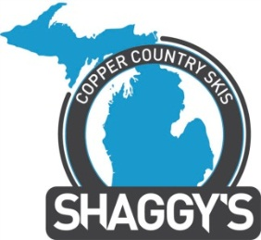
 |  |  |  |  | SCC Skis, LLC
 | 2013-14 Pro Form |  |  |  | 01170 M-75 South
 |  |  |  |  | Boyne City, MI 49712
 |  |  |  |  | www.sccskis.com
 |  |  |  |  | 231.459.4323
 | Order deadline: 11/15/13
 | Pro Information

 | Company/ Organization:
 | Position:

Model | MSRP |  | Pro Price | Quantity | Ext. Cost
190 Purder | $785.00 |  | $392.50 |  | $-
177 Purder | $785.00 |  | $392.50 |  | $-
177 LP | $785.00 |  | $392.50 |  | $-
194 Purder Two | $740.00 |  | $370.00 |  | $-
184 Purder Two | $740.00 |  | $370.00 |  | $-
174 Purder Two | $740.00 |  | $370.00 |  | $-
188 Tubby | $750.00 |  | $375.00 |  | $-
178 Tubby | $750.00 |  | $375.00 |  | $-
168 Tubby | $750.00 |  | $375.00 |  | $-
187 Bootjack | $765.00 |  | $382.50 |  | $-
180 Ahmeek | $765.00 |  | $382.50 |  | $-
175 Brockway | $765.00 |  | $382.50 |  | $-
167 Fanny Hooe | $765.00 |  | $382.50 |  | $-
156 Fanny Hooe | $765.00 |  | $382.50 |  | $-
182 Betsy | $595.00 |  | $297.50 |  | $-
175 Betsy | $595.00 |  | $297.50 |  | $-
168 Betsy | $595.00 |  | $297.50 |  | $-
165 SL-Carve | $795.00 |  | $397.50 |  | $-
155 SL-Carve | $795.00 |  | $397.50 |  | $-

Shipping:
Pickup- Boyne City |  |  |  | Shipping | $29.00
FEDEX- $29+$12/Add'l pair |  |  |  | Grand Total | $

Ordered By |  | Deliver To |  |  | Return form to shari@sccskis.com for payment and delivery details
Name: |  | Address:
Address |  | State:
State: |  | Zip Code:
Zip Code: |  | Phone: |  |  | *Michigan residents add 6% sales tax
Phone:
Email:

